1. Title Page
Grocery Basket Analysis

Project Name: Instacart Grocery Basket Analysis
Date: 16 November 2023
Analyst Name: Rita Portugal

Contents:
Population Flow
Consistency checks
Wrangling steps
Column derivations
Visualizations
Recommendations

Data Citation:
"The Instacart Online Grocery Shopping Dataset 2017”, Accessed from www.instacart.com/datasets/grocery-shopping-2017 via Kaggle on 25-Nov-2023.
Data Dictionary, Accessed from https://gist.github.com/jeremystan/c3b39d947d9b88b3ccff3147dbcf6c6b
CareerFoundry Customers Data Set, Accessed from https://s3.amazonaws.com/coach-courses-us/public/courses/data-immersion/A4/A4_Data_Assets/customers.zip (Download Link)

2. Population Flow
Title page

Population flow

Exclusion flag
Condition: max_order < 5
Obervations to be removed: 1 440 295
Final total count of order_products_all: 30 964 564

Orders_products_combined
Orders_products_merged
Orders_products_all

Total:
32 404 859
Total:
32 434 489
Total: 32 404 859

1.) The grey boxes in the first row of the population flow represent the original data sets as they were when you downloaded them. In the Total fields you need to add the count of the rows when you imported the data set into Jupyter.
2.) The second row of boxes (coloured) represents the data sets after you manipulated them, e.g., removed missing values and duplicates. In the Total fields you need to add the count of the rows after conducting these operations. This offers a visual oveview of how the data flows throughout the data consistency checks.
3.) The third row, where also the arrows are coloured, represents the merges you performed between the datasets. In the Total fields you need to add the count of the rows in the merged datasets, so that you end up with the final dataset (in the red box). Keep in mind the final dataset should be without exclusions (based on the exclusion flag).

3. Consistency checks
 |  |  |  | Title page
Consistency checks

Dataset | Missing values | Missing values treatment | Duplicates
orders | days_since_prior_order (206209) | missing values consistent with first time orders and therefore not deleted | no full duplicates found
products | product_name (16) | "clean" version of dataframe created without missing values | 5 duplicate values found and deleted
orders_products_prior | no missing values |  | no full duplicates found
customers | no missing values |  | no full duplicates found
departments | no missing values |  | no full duplicates found

4. Wrangling steps
 |  |  |  | Title page
Wrangling steps

Columns dropped | Columns renamed | Columns' type changed | Comment/Reason
eval_set (orders) |  |  | Not needed
 |  | order_id (orders) | Changed to string
 | order_dow (orders) |  | Renamed to orders_day_of_week
 |  | user_id (orders) | Changed to string
Transposed df_dep to df_dep_t_new and added new header |  |  | To change the format and make the dataset more practical to work with
 |  | user_id (customers) | Changed to string
 |  | first_name (customers) | Changed to string to harmonize data type
 | First Name (customers) |  | Renamed to first_name for coherence with full dataset
 | Surnam (customers) |  | Renamed to surname for coherence with full dataset
 | Gender (customers) |  | Renamed to gender for coherence with full dataset
 | STATE (customers) |  | Renamed to state for coherence with full dataset
 | Age (customers) |  | Renamed to age for coherence with full dataset
first_name (orders_products_all) |  |  | Dropped for data protection compliance
last_name (orders_products_all) |  |  | Dropped for data protection compliance
 | n_dependant (orders_products_active_only) |  | Renamed to n_dependent (spelling)
 | dependant_group (orders_products_active_only) |  | Renamed to dependent_group (spelling)

5. Column derivations
 |  |  |  | Title page

Column derivations and aggregations

In this tab you should add tables below that the frequences of flags/label variables that you produced after deriving them. NB: don't do this for continuous variables, only for flags.
Dataset | New column | Column/s it was derived from | Conditions
orders_products_merged | price_label | prices | Low-range product equal or under 5$, mid-range product between 5 and 15$, high-range product over 15$
orders_products_merged | busiest_day | orders_day_of_week | Saturday (0) as busiest day, Wednesday (4) as least busy, all other days as regularly busy
orders_products_merged | busiest_days | orders_day_of_week | Saturday (0) and Sunday (1) as busiest days, Wednesday (4) and Tuesday (3) as slowest days, all other days as regularly busy
orders_products_merged | busiest_period_of_day | order_hour_of_day | Between 9 and 16 (4 in the afternoon) as most orders, between 23 (11 in the evening) and 6 as fewest orders, remaining hours as average orders
orders_products_all | max_order | order_number user_id | Max number of the order_number column for each user_id
orders_products_all | loyalty_flag | max_order | Loyal Customer over 40 max_order, Regular Customer between 10 and 40 max_order, New Customer below or equal to 10 max_order
orders_products_all | avg_price | prices user_id | Average value of purchased item price for each user_id
orders_products_all | spending_flag | avg_price | Low Spender for avg_price lower than 10, High Spender for avg_price greater or equal to 10
orders_products_all | median_days_since_order | days_since_prior_order user_id | Median number of days for days_since_prior_order for each user_id
orders_products_all | frequency_flag | median_days_since_order | Non-Frequent Customer for over 20 median days_since_prior_order, Regular Customer between 10 and 20 median days_since_prior_order and Frequent Customer for under or equal to 10 median days_since_prior_order
orders_products_all | activity_flag | max_order | If max_order is under 5, flag as Low Activity
orders_products_active_only | age_group | age | Young Adult under age 30, Older Adult equal or over age 60, Adult between age 30 and 60
orders_products_active_only | income_group | income | High Income over or equal to 128102 (3rd quartile), Low Income under 67292 (1st quartile), Average Income between 67292 and 128102
orders_products_active_only | dependent_group | n_dependents | No Dependants if n_dependents is 0, Dependants if n_dependents is 1 or greater
orders_products_active_only | children_flag | department_id user_id | If department_id is 18 (Babies) flag as With Children (later applied to every entry with same user_id)
orders_products_active_only | customer_profile | age_group income_group dependent_group children_flag | 15 customer profiles created based on combinations of age_group, income_group, dependent_group and children_flag
orders_products_active_only | total_price | prices order_id | Sum of all item prices for each order_id
orders_products_active_only | avg_total | total_price user_id | Average value of total_price per each order for each user_id
orders_products_active_only | total_spent | total_price user_id | Sum of all values of total_price for each user_id

6. Visualizations
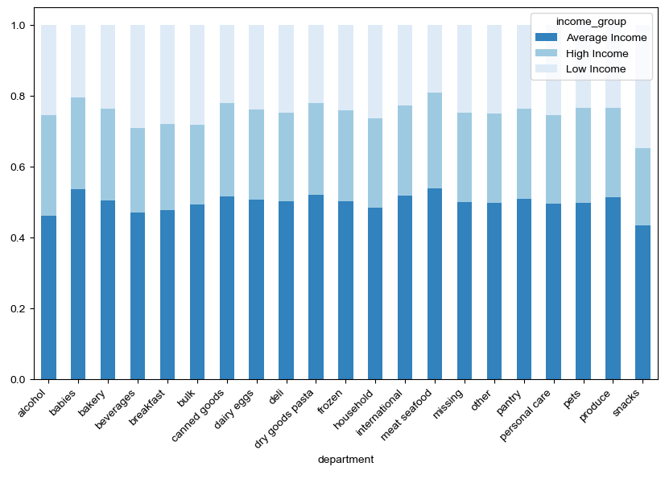
 | Title page

Visualisations

In this tab you should include all the visualtions from Exercises 4.9 and 4.10, alongside the questions from the project brief that they answer. Include any commentary on the relationship between different variables.

1. Number of orders per day of the week

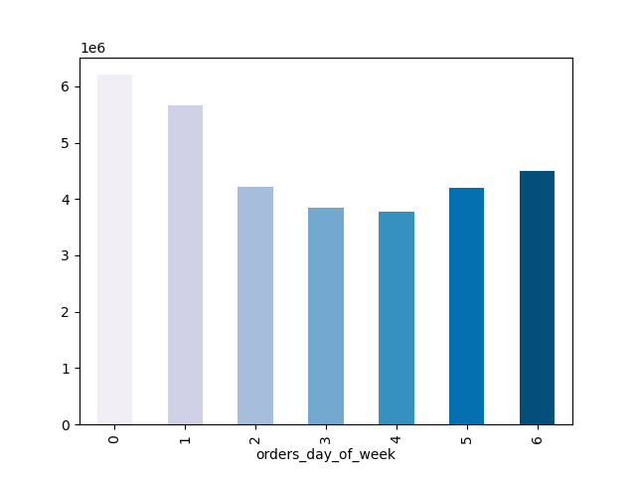

2. Histogram of orders per hours of day



3. Line chart of average item price per hour of day

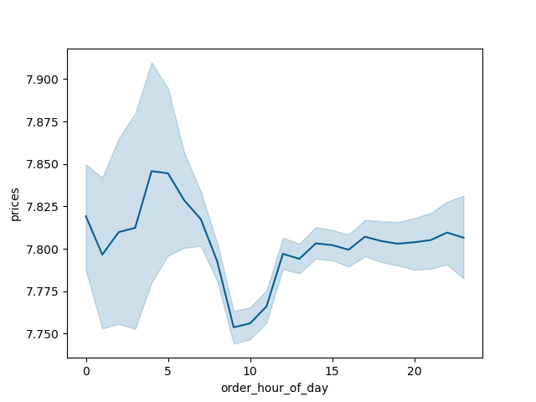

4. Box plot of item prices

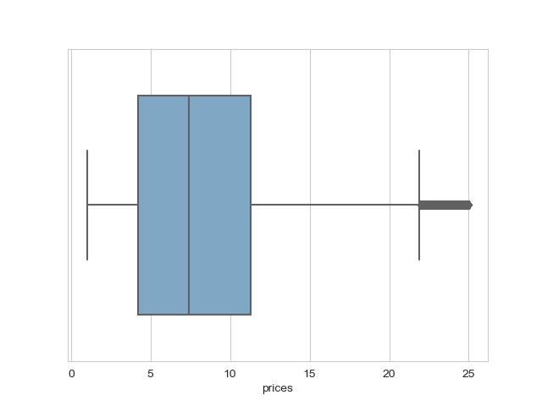

4. Bar chart of number of items bought per department

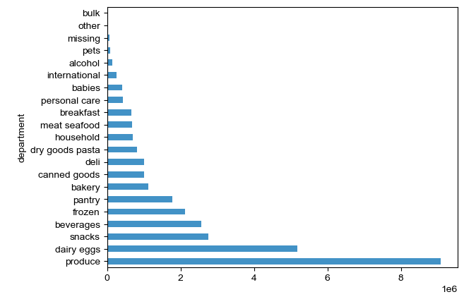

5. Loyalty frequency bar chart

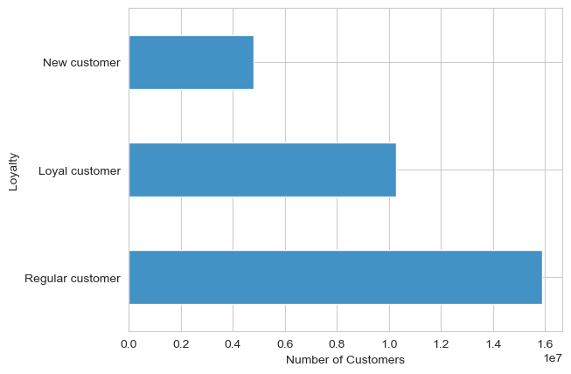

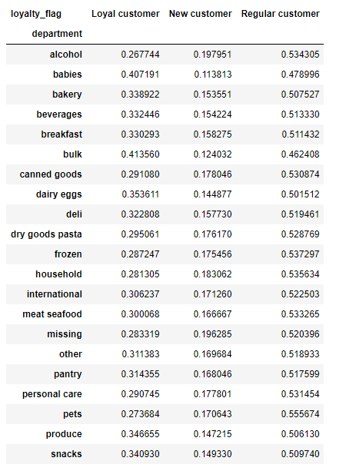
6. Stacked bar chart per department - Loyalty

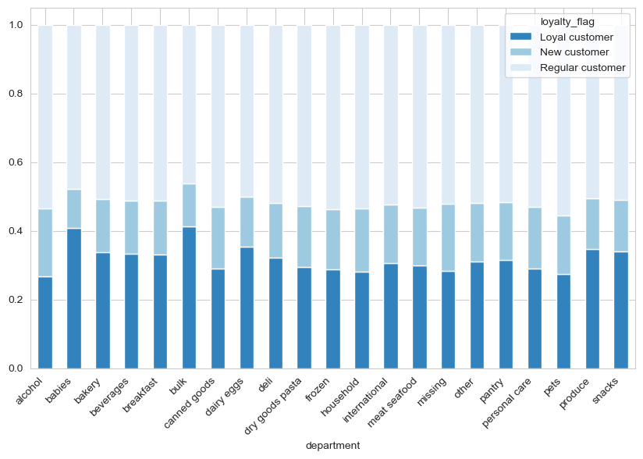

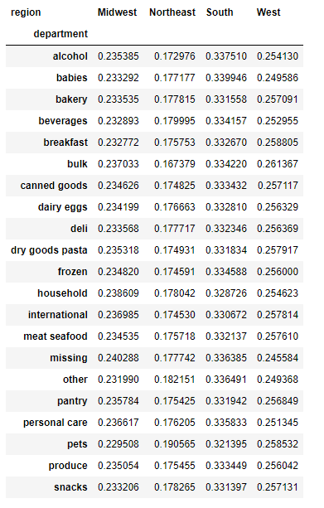
7. Stacked bar chart per department - Region

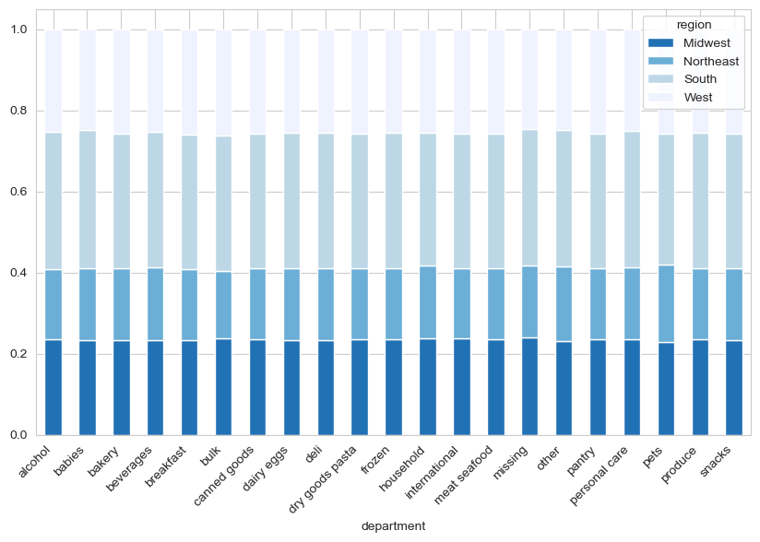

8. Distribution of customer profiles

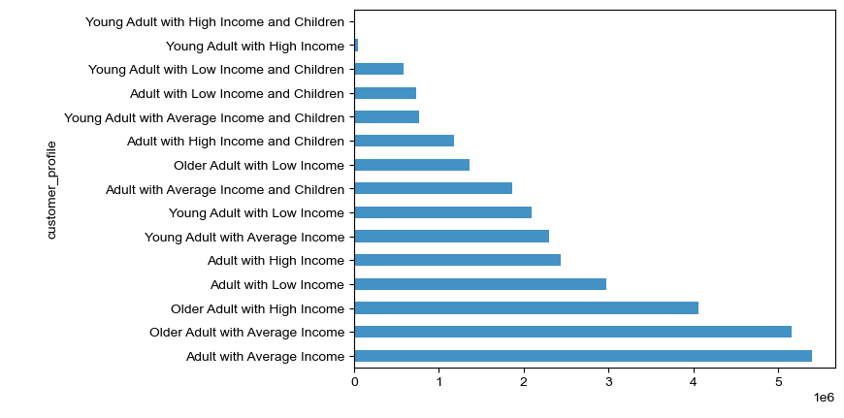

9. Average number of orders per customer profile

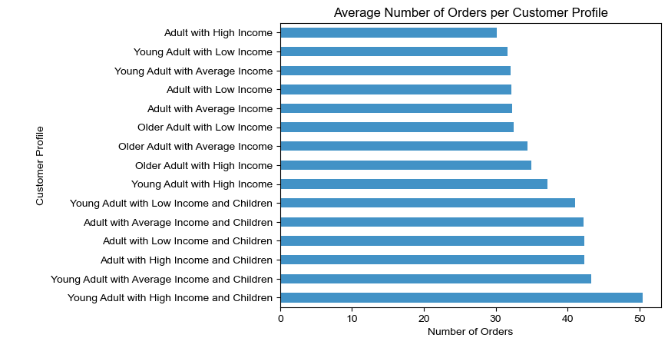

10. Average price of item per customer profile

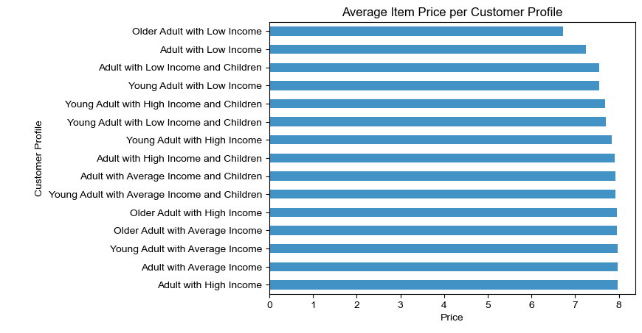

11. Average spent per order per customer profile

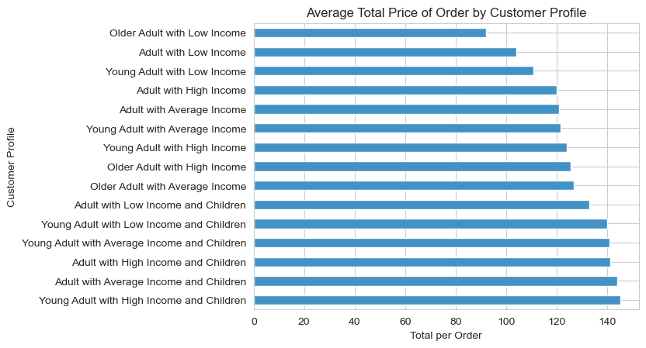

12. Average total spent per user by customer profile

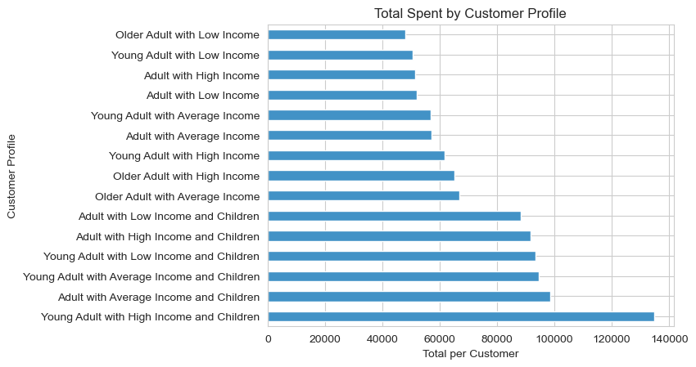

13. Stacked bar chart per department - Age Group
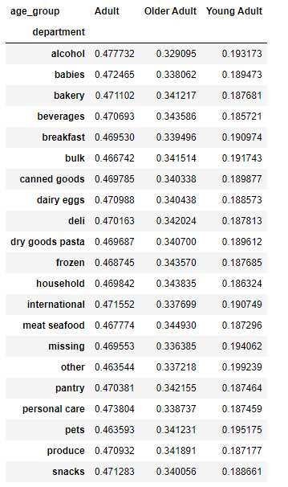

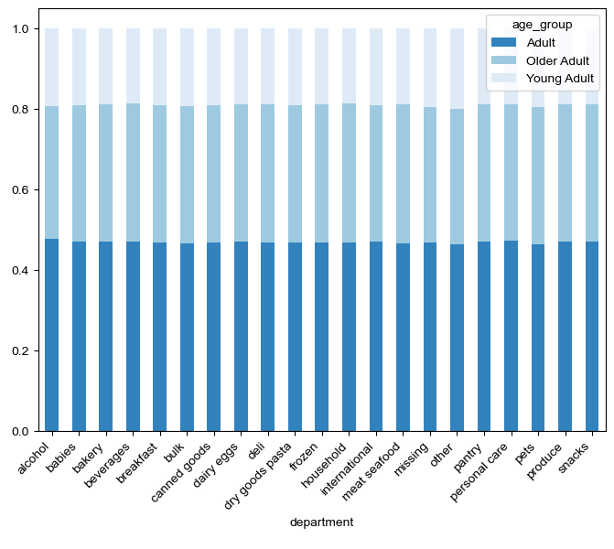

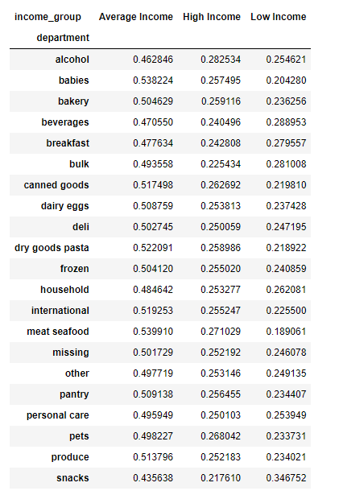
14. Stacked bar chart per department - Income group

7. Recommendations
 |  | Title page

Recommendations

In this tab you should include any recommendations you would made to Instcart in terms of their marketing strategy based on the questions posed in the brief. Every key question has been covered in the Tasks of the Exercises - here you need to add an item - a visualisation or table/crosstable that is showing the answer in the data, acompanied by a comment from you. Please, list the questions below and add the answer underneath.

Question | Answer
The sales team needs to know what the busiest days of the week and hours of the day are (i.e., the days and times with the most orders) in order to schedule ads at times when there are fewer orders. | The days with the largest numbers of orders are Saturday and Sunday, while the least busy days are Wednesdays and Tuesdays. The sales team may use this information in two separate ways: on the one hand it might be advantageous to have most promotions running on the busiest days of the week, while on the other hand special flash sales or niche targetted advertisement might be interesting things to explore on the slowest days of the week to increase the number of orders on those days. The busiest hours of the day seem to coincide to some degree with consistent daylight hours, between 10 in the morning and 4 in the afternoon. This might be useful information not only to make decisions regarding advertisement but also staff.
They also want to know whether there are particular times of the day when people spend the most money, as this might inform the type of products they advertise at these times. | The times of the day with the most expensive orders are almost inversely proportional to the ones with the largest number of orders, increasing steadily from midnight onwards and peaking at 5 in the morning. This might suggest that customers are more likely to make impulsive decisions at that time, or that certain expensive items (such as alcohol, for example) are more likely to be purchased during the night.
Instacart has a lot of products with different price tags. Marketing and sales want to use simpler price range groupings to help direct their efforts. | Most products bought by customers are priced between approximately $4 and $11. This range may therefore be used as a barometer for groupings, for example defining items above $11 as high price and those below $4 as low price. This can be used to target the advertisement of high priced items or to employ strategies that favours higher priced products on the app.
Are there certain types of products that are more popular than others? The marketing and sales teams want to know which departments have the highest frequency of product orders. | The produce and dairy/eggs departments have by far the largest absolute number of products ordered by customers. This might suggest that customers use Instacart to order fresh items that might need more regular replenishment, particularly when taking into account that items from the bulk department are practical residual on customers' orders. Instacart may use this to their advantage by investing in the promotion of either existing articles from the most popular categories or focusing on acquiring a larger and more varied stock in similar products.
What’s the distribution among users in regards to their brand loyalty (i.e., how often do they return to Instacart)? | Most Instacart customers are regular but not loyal customers, with a number of orders between 10 and 40. However, the lowest category of customers seems to be new customers. Instacart should make efforts to captivate new customers, by for example creating special offers for the first x number of orders.
Are there differences in ordering habits based on a customer’s loyalty status? | Unsurprisingly, regular customers are the largest group ordering from any department - considering they are also the largest group in absolute numbers. This difference, however, is not as great (or seemingly proportional) when it comes to certain departments. In the babies department, loyal customers make up almost 40% of the orders, which can lead us to the conclusion this is a department where loyal customers shop more often than others, proportionally. Conversely, new customers make up almost 20% of the orders in the alcohol department, even though they are barely over 15% of the total customers.
Are there differences in ordering habits based on a customer’s region? | Overall, there do not seem to be significant differences in purchasing and ordering habits based solely on region. Further analysis would be necessary to determine whether there could be more subtle differences in customer habits relating to their regions.
What different classifications does the demographic information suggest? Age? Income? Certain types of goods? Family status? | Customers were profiled based on their age group, income group, and a combination of previous purchase of products from the babies department and their number of dependents. The majority of Instacart customers are adults with an average income and presumably no children. On the other end of the spectrum, young adults with high income and children make up the smallest amount of customers. This might simply be due to an overall underrepresentation of each of this variables in the general population, since younger adults may be less likely to have a higher income or children.
Is there a connection between age and family status in terms of ordering habits? | Customers with children have a slightly larger average number of orders than those without children. This seems to be particularly true for younger adults with children. However, this does not hold true for all young adults profile, and age does not seem to be by itself a reliable predictor of number of orders. This may suggest that customers with children are more likely to become repeat customers, which should be explored by Instacart when fostering loyalty. Adults and young adults with children also look to be the customer profile that spends the most per order, as well as the customer profile that has spent the largest amount on average on Instacart. No significant differences seem to be observable regarding average price of items bought by each customer profile, though adults with an average income spend the highest on average per item, while older adults with a low income spend the lowest on average per item. Nonetheless, these differences are not large enough to be reliable for decision-making purposes.
What differences can you find in ordering habits of different customer profiles? Consider the price of orders, the frequency of orders, the products customers are ordering, and anything else you can think of. | Observing each of the departments by age group, we cannot see any difference in terms of types of goods purchased based on the customers' age. There are small fluctuations per department when looking at income group of Instacart customers, though they do not seem to be reliable enough to draw conclusions. While in general customers with an average or high income make up the largest number of orders for any department, this seems to be particularly true for meat and seafood, with low income customers accounting for less than 20% of the orders in this department. The opposite looks to be true for the snacks department, with low income customers accounting for over 30% of the orders.
Overall, we cannot observe major differences in spending, purchasing, ordering or loyalty habits between customers other than the ones determined by the number of customers among each demographic. These descriptive analysis of the most common profile of Instacart customer may in themselves be useful when establishing how to best create customer retention and captivation. We now know the most common profile of Instacart customer are adults and older adults with an average income, and the least common profile are young adults with high income (with or without children). Despite the customers that are young adults with children having a larger number of orders on average than other profiles, they are still largely underrepresented within the dataset. They do, however, also seem to bring the largest revenue. Instacart may use this information to either cater to this demographic or create strategies that incentivise larger demographics and profiles of customers to make a larger number of more expensive orders, as adults and young adults with children seem to.

